PWA&PS
TC ID | Module | Feature | Test Scenario | Test Data | Expected Result | Actual Result | Status | Severity | Priority | Screenshot | Remarks | RESULT | ASSIGNED TO | ASSINGED BY
MK-LOGIN-001 | Login-PWA | Forgot Password / OTP | Verify Send OTP via SMS button in reset password flow | Mobile: XXXXXXXXXX | OTP button should be clickable and OTP should be sent via SMS | Send OTP via SMS button is not responding / not clickable | Fail | High | High | 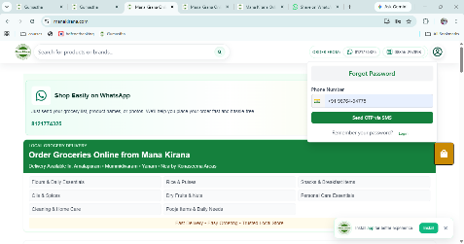 | Failed to load resource: the server responded with a status of 400 () 13ForgotPasswordScreen.jsx:78 Error: reCAPTCHA client element has been removed: 0 at Array.<anonymous> (recaptcha__en.js:509:492) at recaptcha__en.js:141:456 | FIXED | VENKATESH | SAISREE
MK-CAT-002 | Catalog-PWA | Product Images | Verify all products display valid product images in category page | TEA & COFFEE Category | Every product should display a valid product image or a default placeholder image | Product "KOMALI ELACHI TEA - 50GMS" displayed without image (blank image area) | Fail | Medium | High | 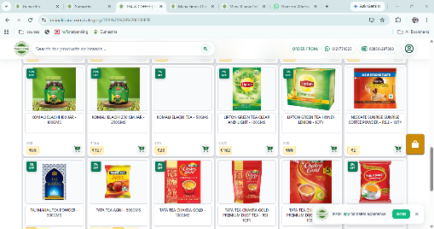 | Missing image URL or image loading failure | FIXED | VENKATESH | SAISREE
MK-PACK-003 | POS | Packing | Verify ordered pack count is displayed | Product: Sugar, Pack Size: 1KG, Ordered Quantity: 10 Packs | Packing screen should show both ordered pack count and pack size (e.g., 10 × 1KG) | Only pack size (1KG) is shown. Ordered pack count (10) is missing. | Fail | Critical | High | 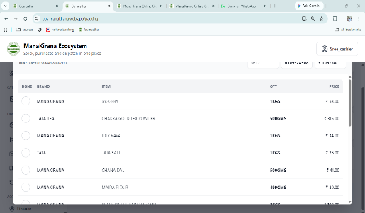 | Packers cannot determine how many packets to pack | FIXED | VENKATESH | VENKATESH
MK-PACK-004 | POS | Packing | Verify order header details remain visible while viewing packing items | Order ID: #627, Customer: 8509524908, Amount: ₹1037, 17 Items | Order header should remain visible or be easily accessible while packing items | Order header is hidden/cut off when item list is displayed. Packer cannot see Order ID, Customer Phone Number, Total Amount, etc. | Fail | High | High | 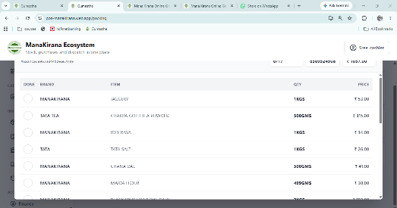 | Important order information unavailable during packing | FIXED | VENKATESH | VENKATESH
QA-LOGIN-009 | Login-PWA | Show/Hide Password | Verify show/hide password functionality | 1. Open Login page.2. Enter a password in the Password field.3. Click the Eye (👁) icon.4. Observe the password visibility.5. Click the Eye icon again. | On first click, the password should be displayed in plain text. On second click, the password should be masked again. The Eye icon state should change accordingly. | Password is displayed when clicking the Eye icon and hidden again when clicked a second time. Eye icon changes state correctly. | Medium | High | High | 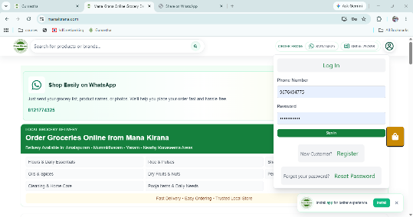 | Password visibility toggle works as expected without affecting login functionality. | FIXED | VENKATESH | SAI
MK-PROF-001 | Profile-PWA | Use Current Location | Verify current location is fetched successfully and address fields are populated correctly | User clicks "Use Current Location" | System should fetch GPS location and populate Street Address, City, Postal Code with valid values | Error message "Could not retrieve your current location" is displayed. Address fields contain invalid/default values such as N/A, Unknown, 000000 | Fail | High | High | 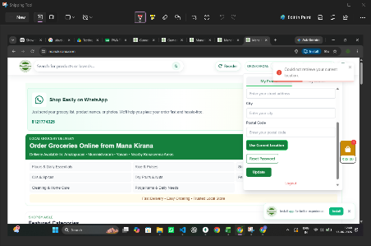 | User cannot update address using current location | FIXED | VENKATESH | SAI
MK-PO-001 | POS-Purchase Orders | Quantity Display | Verify quantity is fully visible in purchase order item grid | Product: TOOR DAL, Qty: 50 KGS | Quantity field should clearly display 50 | Quantity field width is too small; only part of the value is visible, making it appear as 5 instead of 50 | Fail | High | High | 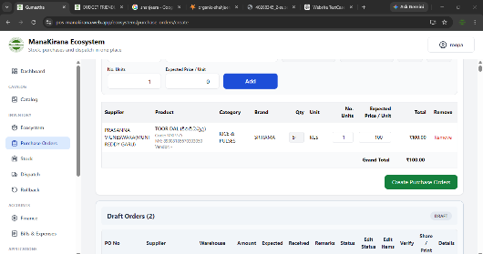 | User may misinterpret quantity and create incorrect purchase orders | NOT FIXED
ORD-007 | Orders | Order Cancellation | Verify order cancellation captures cancellation remarks/reason | 1. Open an existing order.2. Click Cancel Order.3. Observe the cancellation screen. | System should provide a mandatory Remarks/Reason field before cancelling the order. | Order can be cancelled without capturing any cancellation reason or remarks. | Medium | High | Fail | Attached | Capturing cancellation reasons helps with: Customer support tracking Delivery analysis Order cancellation reporting Business decision-making Audit and operational monitoring | NOT FIXED
LOC-001 | Location | Delivery Availability | Verify unsupported delivery locations display a service availability popup | 1. Open the application.2. Select or enter a delivery address outside the supported service area.3. Attempt to place an order. | System should display a popup stating that delivery service is unavailable in the selected location and prevent order placement. | No popup is displayed and users can proceed without knowing delivery is unavailable for that location. | High | High | Fail | Attached | Customers from unsupported locations can place orders, leading to order cancellations, customer dissatisfaction, and operational issues. | NOT FIXED

